RT_GFMC_all
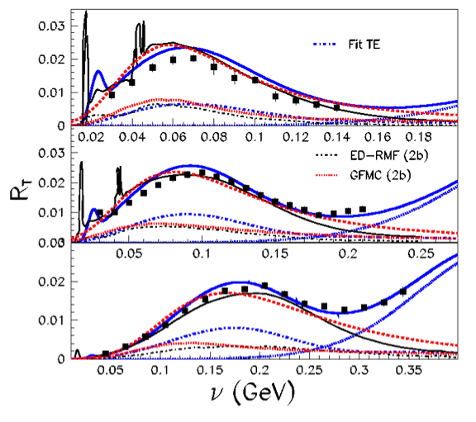
RT/GE2 570 1b+2b | Q2 GeV2 | GeP2_dipole | BBBA FACTOR | GEP2 | RT_GFMC_570
0.00021 | 0.3249071289 | 0.22152761946 | 1.0331542621 | 0.22887220421 | 4.8063162885E-05
0.00042 | 0.3250030225 | 0.22144553225 | 1.0331756527 | 0.22879213233 | 9.6092695577E-05
0.00063 | 0.3252904576 | 0.22119970862 | 1.0332397824 | 0.2285523388 | 0.00014398797344
0.00148 | 0.3257625969 | 0.22079665993 | 1.0333451621 | 0.22815916035 | 0.00033767555732
0.0019 | 0.3260682724 | 0.22053620502 | 1.0334134148 | 0.22790507271 | 0.00043301963815
0.00317 | 0.3265908544 | 0.2200918209 | 1.0335301487 | 0.22747153238 | 0.00072108475764
0.00464 | 0.3270585316 | 0.21969507446 | 1.033634671 | 0.22708444602 | 0.0010536718295
0.00654 | 0.32758324 | 0.21925101009 | 1.0337519992 | 0.22665117001 | 0.0014822986519
0.00844 | 0.3280438449 | 0.21886212134 | 1.0338550458 | 0.22627170848 | 0.0019097332196
0.01055 | 0.3285421225 | 0.21844239592 | 1.0339665758 | 0.22586213613 | 0.0023828455361
0.01372 | 0.3292151761 | 0.21787704362 | 1.0341173179 | 0.22531042398 | 0.003091259017
0.01773 | 0.3300208336 | 0.21720270939 | 1.0342978982 | 0.2246523058 | 0.0039830853819
0.02216 | 0.3308969536 | 0.21647235653 | 1.0344944454 | 0.22393945041 | 0.0049624982211
0.02575 | 0.3315765241 | 0.2159079647 | 1.0346470242 | 0.22338853319 | 0.0057522547297
0.0304 | 0.3324777025 | 0.21516235858 | 1.034849529 | 0.22266066544 | 0.0067688842292
0.03462 | 0.3333382596 | 0.21445336305 | 1.0350430879 | 0.22196847111 | 0.0076845484698
0.03821 | 0.3340374481 | 0.21387946499 | 1.0352004833 | 0.22140812553 | 0.0084600044766
0.04327 | 0.3351961609 | 0.21293260706 | 1.0354615857 | 0.22048353496 | 0.0095403225575
0.04834 | 0.3363083761 | 0.21202866884 | 1.0357125214 | 0.21960074721 | 0.01061550012
0.05425 | 0.3378390625 | 0.21079245252 | 1.0360583758 | 0.21839328599 | 0.011847835765
0.05805 | 0.3389564736 | 0.20989569186 | 1.036311225 | 0.21751726155 | 0.012626877033
0.06227 | 0.3403828249 | 0.20875791345 | 1.0366344452 | 0.21640564378 | 0.013475579438
0.06691 | 0.3423002481 | 0.2072405345 | 1.0370697768 | 0.21492289486 | 0.014380490895
0.06923 | 0.3434449924 | 0.20634119564 | 1.037330141 | 0.21404394158 | 0.014818262075
0.07198 | 0.3453833344 | 0.20482948221 | 1.0377718041 | 0.21256626128 | 0.015300519487
0.07493 | 0.3483916929 | 0.2025105741 | 1.0384593133 | 0.21029899173 | 0.01575770345
0.07599 | 0.3510857124 | 0.20046175482 | 1.0390771464 | 0.20829522816 | 0.015828354388
0.0762 | 0.3542882449 | 0.19805979872 | 1.0398143432 | 0.20594541953 | 0.015693040968
0.07493 | 0.3576754816 | 0.19555832851 | 1.0405974157 | 0.20349749125 | 0.01524806702
0.07282 | 0.3616565584 | 0.19266857724 | 1.0415223688 | 0.20066863297 | 0.014612689853
0.07029 | 0.3650080729 | 0.19027708621 | 1.0423050637 | 0.19832677047 | 0.013940388696
0.0686 | 0.3671754721 | 0.18875026585 | 1.0428132536 | 0.19683127884 | 0.013502625729
0.06691 | 0.3693999025 | 0.18719916053 | 1.0433365222 | 0.19531172112 | 0.01306830726
0.0648 | 0.3716813641 | 0.18562480268 | 1.0438750509 | 0.19376910034 | 0.012556237702
0.06269 | 0.3742550656 | 0.18386859417 | 1.044484867 | 0.19204796413 | 0.012039486871
0.06058 | 0.37665625 | 0.18224879519 | 1.0450560755 | 0.19046021066 | 0.011538079562
0.05805 | 0.3796138881 | 0.18027805945 | 1.0457627635 | 0.18852808164 | 0.010944055139
0.05509 | 0.3834252864 | 0.17777756051 | 1.0466786922 | 0.18607598453 | 0.010250925988
0.05129 | 0.3881723716 | 0.17472350842 | 1.047828128 | 0.18308020674 | 0.0093901838036
0.04918 | 0.3911599081 | 0.17283505469 | 1.048556665 | 0.18122734854 | 0.0089127610011
0.04517 | 0.3970567044 | 0.1691819122 | 1.0500069708 | 0.17764218714 | 0.0080240975931
0.04264 | 0.40113121 | 0.16671397596 | 1.0510191386 | 0.1752195794 | 0.0074713628657
0.04032 | 0.4047119001 | 0.16458219307 | 1.0519157807 | 0.17312660612 | 0.0069804647588
0.03799 | 0.4089942001 | 0.16207724756 | 1.0529973011 | 0.17066690426 | 0.0064836356927
0.03525 | 0.4143428649 | 0.15901508367 | 1.0543629151 | 0.16765960717 | 0.0059100011527
0.03187 | 0.4218388225 | 0.15484423814 | 1.0563062145 | 0.16356293103 | 0.0052127506119
0.02955 | 0.4275753849 | 0.15174439217 | 1.0578182379 | 0.16051798554 | 0.0047433064726
0.02744 | 0.4334768401 | 0.14863596375 | 1.0593977863 | 0.15746461096 | 0.0043208289247
...

RL_GFMC_all
Q2 GeV2 | GeP2_dipole | BBBA FACTOR | GEP2 | RL_GFMC_0.57
0.3249026896 | 0.22153142053 | 1.0331532719 | 0.22887591194 | 0
0.3249586756 | 0.22148348953 | 1.0331657602 | 0.22882915782 | 3.6612665252E-05
0.3253322241 | 0.22116401697 | 1.0332491025 | 0.22851752203 | 3.6562803525E-05
0.3259778089 | 0.22061324563 | 1.0333932134 | 0.22798023083 | 3.6476836933E-05
0.3264960025 | 0.2201723962 | 1.0335089561 | 0.22755014336 | 7.2816045874E-05
0.3268642624 | 0.21985977098 | 1.0335912472 | 0.2272451349 | 0.00010907766475
0.3277174864 | 0.21913757672 | 1.0337820278 | 0.22654048843 | 0.00021747886889
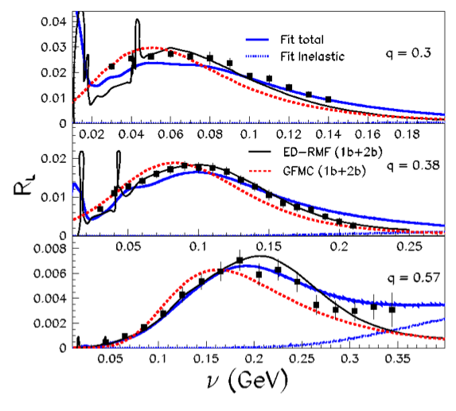
0.3286564641 | 0.21834622195 | 1.0339921772 | 0.22576828541 | 0.00043121742514
0.3297288601 | 0.217446789 | 1.0342324376 | 0.22489052263 | 0.00075338325081
0.3306851236 | 0.21664866094 | 1.0344469072 | 0.22411153725 | 0.0011093521094
0.3317277169 | 0.21578264741 | 1.0346809854 | 0.22326620225 | 0.0015316061475
0.3328548561 | 0.21485126928 | 1.0349343375 | 0.22235695602 | 0.0020234482998
0.3340699776 | 0.21385281135 | 1.035207809 | 0.22138210028 | 0.0025791014683
0.3353714289 | 0.21278984101 | 1.035501109 | 0.22034411635 | 0.0031288864522
0.33652084 | 0.21185653764 | 1.035760492 | 0.21943263166 | 0.0036074724645
0.3376057984 | 0.2109802588 | 1.0360056324 | 0.21857673645 | 0.0040108831138
0.3382310116 | 0.21047735562 | 1.0361470305 | 0.21808548701 | 0.0042112307541
0.3395240649 | 0.20944200676 | 1.0364397821 | 0.21707402785 | 0.0046063108709
0.34087696 | 0.20836554828 | 1.0367465418 | 0.2160222616 | 0.0049641915716
0.3417194961 | 0.20769866076 | 1.0369378213 | 0.21537059678 | 0.0051559720868
0.3434640625 | 0.20632625506 | 1.0373344814 | 0.21402933879 | 0.0054641690192
0.3443686209 | 0.20561912434 | 1.037540469 | 0.2133381627 | 0.005583059718
0.3464062225 | 0.20403731144 | 1.0380052869 | 0.21179180801 | 0.0057797984406
0.3485421376 | 0.20239547184 | 1.0384937611 | 0.21018643479 | 0.0058705071238
0.3495647025 | 0.20161529072 | 1.0387280708 | 0.20942346197 | 0.0058827050467
0.3511342809 | 0.20042505652 | 1.039088304 | 0.20825933205 | 0.005881243537
0.3533057316 | 0.198792857 | 1.0395878539 | 0.20666263958 | 0.0058051535459
0.3557529225 | 0.1969732569 | 1.040152521 | 0.20488222974 | 0.0056567983631
0.3575055249 | 0.19568289699 | 1.0405580402 | 0.2036194118 | 0.0055241946421
0.3609544144 | 0.19317434736 | 1.0413588645 | 0.20116381901 | 0.0052322709326
0.3624235641 | 0.19211797601 | 1.0417011616 | 0.20012951877 | 0.0050772858911
0.3647920729 | 0.19043009159 | 1.0422545065 | 0.19847662114 | 0.004844814322
0.3679106121 | 0.18823587817 | 1.0429859923 | 0.19632738419 | 0.0045116032886
0.3706746025 | 0.18631748568 | 1.043637176 | 0.19444785459 | 0.0042506301014
0.3744997441 | 0.18370271688 | 1.0445429713 | 0.19188538173 | 0.0038895166876
0.3772174129 | 0.18187281847 | 1.0451898911 | 0.19009163132 | 0.0036402547398
0.3807802321 | 0.17950822802 | 1.0460424135 | 0.18777322008 | 0.0033555074429
0.3855341376 | 0.17641265446 | 1.0471881065 | 0.18473723359 | 0.0029779642054
0.3885351076 | 0.17449284807 | 1.0479163678 | 0.18285391157 | 0.0027720652994
0.3930262201 | 0.17166827772 | 1.0490138781 | 0.18008240577 | 0.0024995437921
0.3973794084 | 0.16898479162 | 1.0500868285 | 0.17744870389 | 0.002237628156
0.4027800649 | 0.16572806041 | 1.0514311804 | 0.17425165018 | 0.0019742711965
0.4090058001 | 0.16207052707 | 1.0530002448 | 0.17066030468 | 0.001715136062
0.4125337609 | 0.16004265547 | 1.0538991259 | 0.1686688147 | 0.0015871735464
0.41646676 | 0.1578192121 | 1.0549099418 | 0.16648505585 | 0.0014617387904
0.4211612676 | 0.15521557255 | 1.0561290841 | 0.16392768047 | 0.0013343713191
0.4245854329 | 0.15335028296 | 1.0570273692 | 0.16209544618 | 0.0012416511177
0.42806944 | 0.15148106452 | 1.0579495172 | 0.16025931907 | 0.0011506619109
0.4337736016 | 0.14848176447 | 1.0594778876 | 0.15731314616 | 0.0010288279759
0.4396244641 | 0.14548204819 | 1.061070838 | 0.15436675879 | 0.00091076387686
0.4467777921 | 0.14191673964 | 1.0630554631 | 0.15086536537 | 0.0007950604755
0.4510173169 | 0.13985519568 | 1.0642520633 | 0.14884118057 | 0.00073676384382
0.45493236 | 0.13798458033 | 1.0653712407 | 0.14700480355 | 0.00070415300899
0.4621332025 | 0.13462493981 | 1.0674670118 | 0.1437076822 | 0.0006193801103
0.4662158464 | 0.13276551687 | 1.0686777574 | 0.14188355483 | 0.00056611538376
0.4716196416 | 0.13035346773 | 1.0703066686 | 0.13951818579 | 0.00051203174185
0.4796871649 | 0.12685345207 | 1.0727974557 | 0.13608806063 | 0.0004558950031
0.4840291881 | 0.12501830942 | 1.074168803 | 0.13429076778 | 0.00042838754921

